Sheet1
Client Command Table for A7
Client Application Design Spreadsheet
Use this table to help you design your program. Add rows as needed. | Use this column to describe when and what your LCD display changes to for rows like DISPLAY_ROW_CONNECTION | Use this column to denote if BT stack events cause your state machine to advance, you can put an X in the cell to note this. Drawing a bubble diagram of your state machine might also be a good idea. | Commands that may be useful: gecko_cmd_le_gap_set_discovery_type() gecko_cmd_le_gap_set_discovery_timing() gecko_cmd_le_gap_start_discovery() gecko_cmd_le_gap_end_procedure() gecko_cmd_le_gap_connect() gecko_cmd_gatt_discover_primary_services_by_uuid() gecko_cmd_gatt_discover_characteristics_by_uuid() gecko_cmd_gatt_set_characteristic_notification() gecko_cmd_gatt_send_characteristic_confirmation()

BT Stack Event ID | LCD Display State | Advances State Machine | Commands called in response to event | Notes
gecko_evt_system_boot_id | Discovering | No | This event is generated on stack boot up
 |  |  | gecko_cmd_le_gap_set_discovery_type() | Sets scanning type (passive vs active) for PHYS
 |  |  | gecko_cmd_le_gap_set_discovery_timing() | Sets scanning interval (in x * 0.625ms) for PHYS (default 10ms)
 |  |  | gecko_cmd_le_gap_start_discovery() | Starts GAP procedure to scan for advertising devices on the specified PHY.
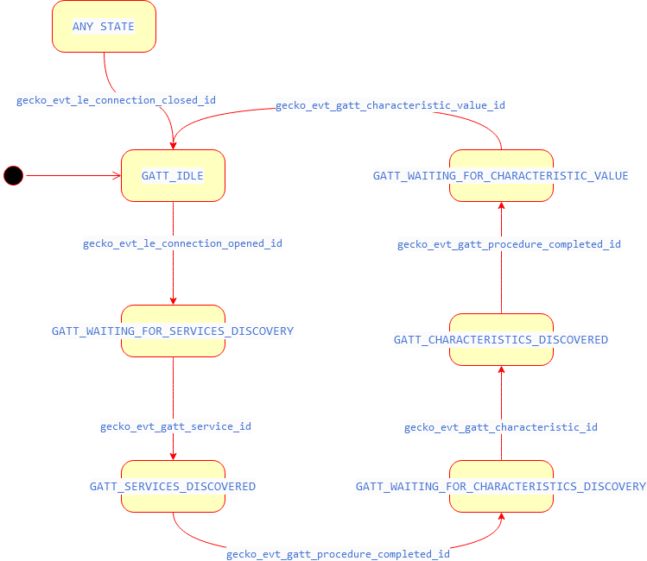

gecko_evt_le_gap_scan_response_id | No change | No | This event is generated when an advertisement packet or a scan response is received from a slave | save event->data.evt_le_gap_scan_response.address and event->data.evt_le_gap_scan_response.address_type to use in GAP connect procedure
 |  |  | gecko_cmd_le_gap_end_procedure() | Ends current GAP procedure (discovery).
 |  |  | gecko_cmd_le_gap_connect() | Attempt to conenct to advertising device using received address and address_type (must match static BLE SERVER address)

gecko_evt_le_connection_opened_id | Connected | X - Yes | This event is generated when a new connection is established | save event->data.evt_le_connection_opened.connection (connection handle)
 |  |  | gecko_cmd_le_connection_set_parameters() | Sets connection parameters (connection interval, slave latency, and supervision timeout)
 |  |  | gecko_cmd_gatt_discover_primary_services_by_uuid() | Start discovery of primary services on server by temperature service UUID
gecko_evt_le_connection_closed_id | Discovering | X - Yes | This event is generated when a connection is dropped
 |  |  | gecko_cmd_le_gap_start_discovery()

gecko_evt_gatt_procedure_completed_id | No change | X- Yes | This event is generated for various procedure completions, e.g. when a write procedure is completed, or service discovery is completed. Each GATT command we issue results in 1 of these events.
 |  |  | gecko_cmd_gatt_discover_characteristics_by_uuid() | Start discovery of temperature service characteristics by UUID. We start this command if primary services discovery completed.
 |  |  | gecko_cmd_gatt_set_characteristic_notification() | Set characteristic notification of temperature measurement to enable indications from server. We start this command if characteristics discovery completed.

gecko_evt_gatt_service_id | No change | X - Yes | This event is generated from gecko_cmd_gatt_discover_primary_services_by_uuid() | Do not initiate any commands here. Save event->data.evt_gatt_service.service (service handle)

gecko_evt_gatt_characteristic_id | No change | X - Yes | This event is generated from gecko_cmd_gatt_discover_characteristics_by_uuid() | Do not initiate any commands here. Save event->data.evt_gatt_characteristic.characteristic (characteristic handle)

gecko_evt_gatt_characteristic_value_id | Handling Indications | X - Yes | This event is generated when a characteristic value was received e.g. an indication from the server | Send confirmation to server that we received an indiciation from it. If inidication is from temperature service: save event->data.evt_gatt_characteristic_value.value.data convert data to temperature value display temperature on LCD
 |  |  | gecko_cmd_gatt_send_characteristic_confirmation() | Sends confirmation to server, completing that transacation
 |  |  | gecko_cmd_le_connection_get_rssi() | Start command to get latest RSSI value, which will trigger the gecko_evt_le_connection_rssi_id event when completed
gecko_evt_le_connection_rssi_id | No change | No | This event is generated when RSSI value was measured | Change TX power by halting, setting power value, and resuming system
 |  |  | gecko_cmd_system_halt() | Set input to 1 to halt - 0 to resume
 |  |  | gecko_cmd_system_set_tx_power() | Depending on rssi measured, change TX power

gecko_evt_hardware_soft_timer_id | No change | No | This event is generated by the 1 second BT stack timer we started up & use this to perform the 1 second period toggling of the LCD display EXTCOMIN signal, for static charge build-up management | Do not initiate any commands here, or make any BT stack calls. Toggle EXTCOMIN GPIO by calling displayUpdate()

gecko_evt_le_connection_parameters_id | No change | No | This event is generated after new connection parameters have been applied to the connection | Do not initiate any commands here. Save/log the accepted connection parameters.

